Bug report 1
ID | #3
Summary | The user can not change number of items in cart
Description | When user goes to cart page on https://www.saucedemo.com/cart.html it can not change number of added item
Steps to reproduce | Expected result | Actual result | Priority | Screenshot
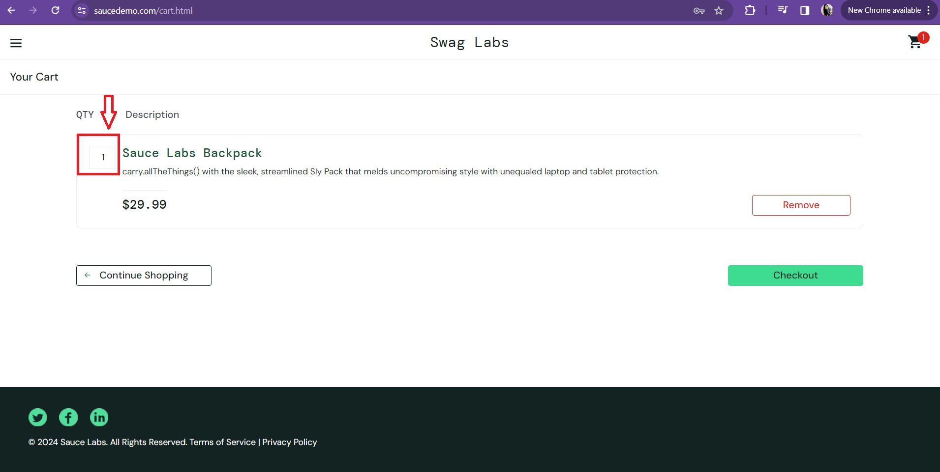
Open browser | The browser will open | The browser is open
Navigate to https://www.saucedemo.co | The web page will open | The web page is open
Log in with correct credentials - username: standard_user, and password: secret_sauce | Fields "Username" and "Password are filled | The correct username and password are visible
Click on "Login" button | The "Swag Labs" page will open | The "Swag Labs" page is open
Add first item to the cart by clicking "Add to cart" | "Add to cart" button will become "Remove" button, item will be added to cart | "Remove" button apears, item is added to cart
Click on cart icon on upper right corner of the page | Cart page will open | Cart page is open
Click on number "1" in the left side of an item | The user can click on number "1" to change it | The user isn't able to click on number "1" | High

Bug report 2
ID | #5
Summary | The user can not login with valid username and password
Description | When user goes to Login page on https://www.saucedemo.com it can not log in with given valid credentials (username: locked_out_user; password: secret_souce)
Steps to reproduce | Expected result | Actual result | Priority | Screenshot
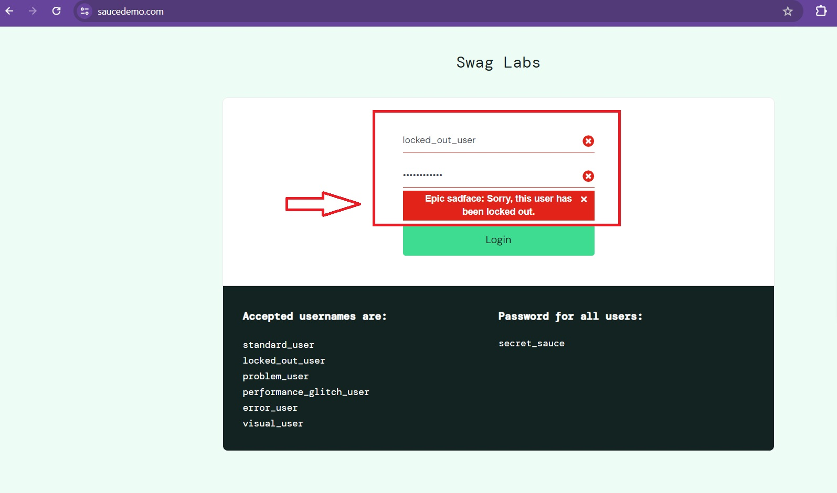
Open browser | The browser will open | The browser is open
Navigate to https://www.saucedemo.co | The web page will open | The web page is open
Insert username "lock_out_user" in "Username" field | Field "Username" is filled | The correct username is visible
Insert valid password "secret_sauce" in "Password" field | Field "Password" is filled | The correct password is visible
Click on "Login" button | The "Swag Labs" page will open and user will be loged in | The user is not loged in | High

Bug report 3
ID | #6
Summary | The user can not add all items to the cart
Description | When user add all items to the cart, only three items can add, not all of them
Steps to reproduce | Expected result | Actual result | Priority | Screenshot
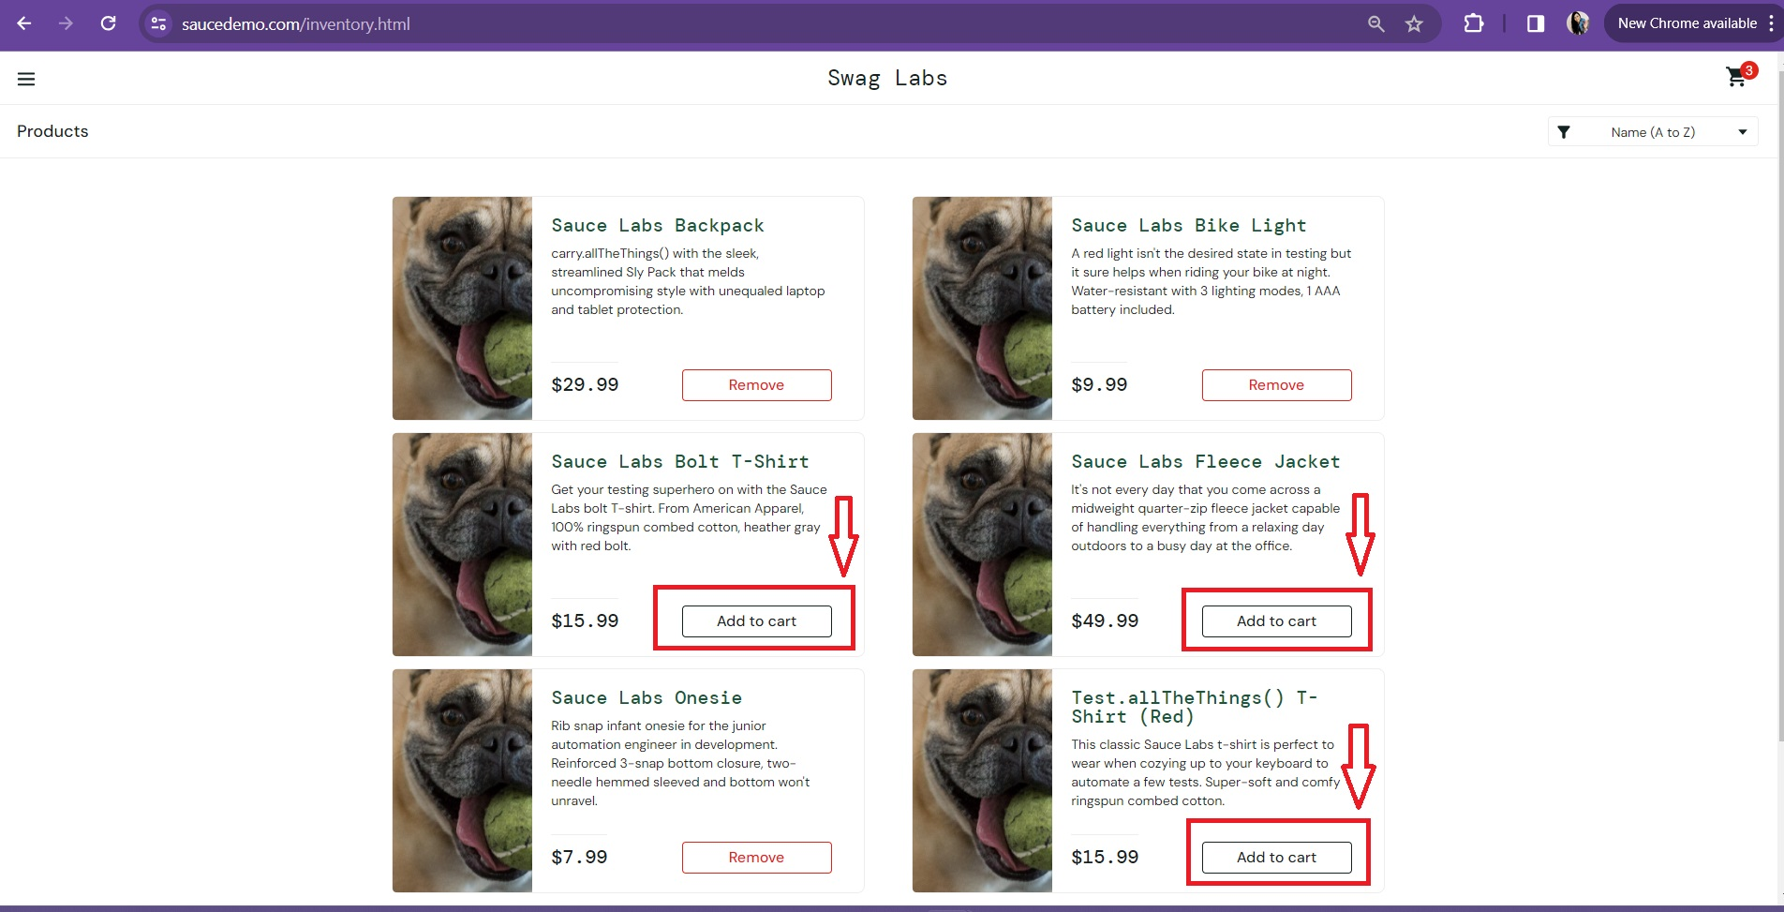
Open browser | The browser will open | The browser is open
Navigate to https://www.saucedemo.co | The web page will open | The web page is open
Log in with correct credentials - username: problem_user, and password: secret_sauce | Fields "Username" and "Password are filled | The correct username and password are visible
Click on "Login" button | The "Swag Labs" page will open | The "Swag Labs" page is open
Add all items to the cart by clicking "Add to cart" on each of them | "Add to cart" buttons will become "Remove" buttons and all items will be added to cart | Only three of six items can be added to cart
Click on cart icon on upper right corner of the page | Cart page will open | Cart page is open and only three items are visible

Bug report 4
ID | #7
Summary | The user can not remove selected item from homepage
Description | When user click on first item "Add to a cart" it can not be removed anymore
Steps to reproduce | Expected result | Actual result | Priority | Screenshot
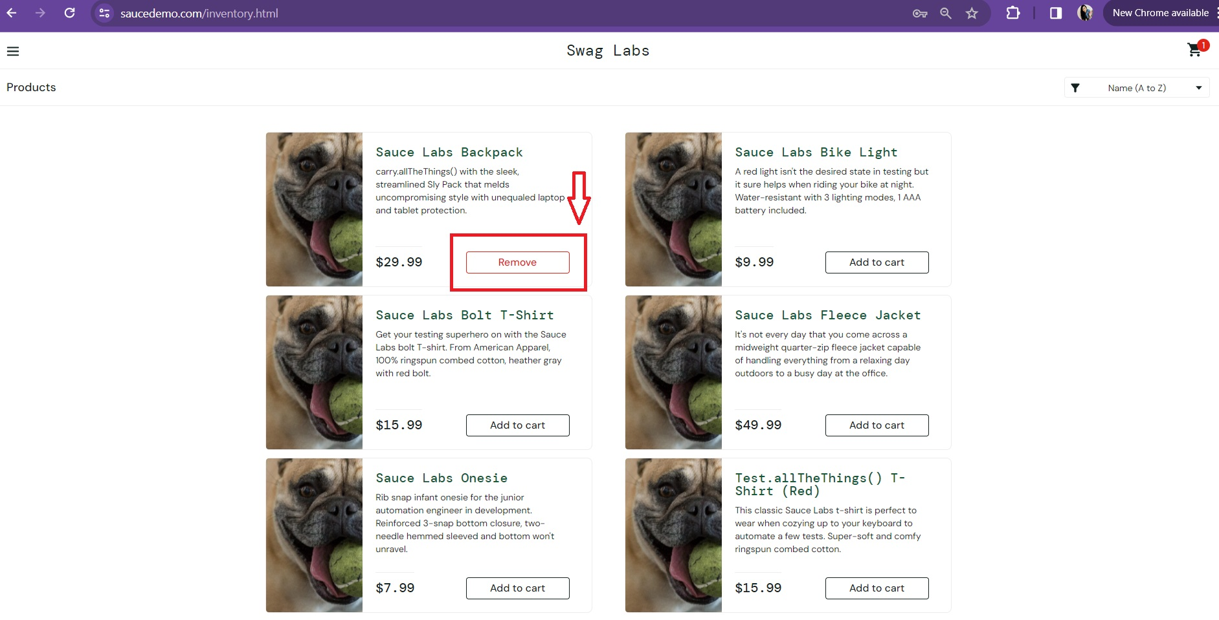
Open browser | The browser will open | The browser is open
Navigate to https://www.saucedemo.co | The web page will open | The web page is open
Log in with correct credentials - username: problem_user, and password: secret_sauce | Fields "Username" and "Password are filled | The correct username and password are visible
Click on "Login" button | The "Swag Labs" page will open | The "Swag Labs" page is open
Add first item to the cart by clicking "Add to cart" | "Add to cart" button will become "Remove" button, item will be added to cart | "Remove" button apears, item is added to cart
Click on "Remove" button to deselect choosen item | "Remove" button will become "Add to cart" button, and item will be removed from cart. | "Remove" button is not clickable anymore and item can not be removed from cart | High

Bug report 5
ID | #11
Summary | The user can not add last name in checkout information
Description | When user proceed to checkout page to input information, field "Last Name" can not be filled
Steps to reproduce | Expected result | Actual result | Priority | Screenshot
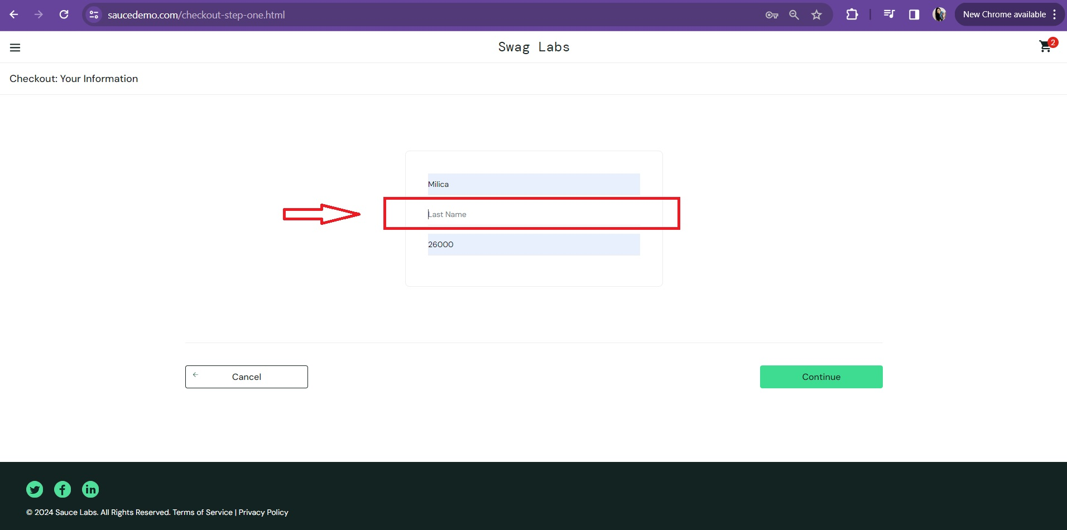
Open browser | The browser will open | The browser is open
Navigate to https://www.saucedemo.co | The web page will open | The web page is open
Log in with correct credentials - username: error_user, and password: secret_sauce | Fields "Username" and "Password are filled | The correct username and password are visible
Click on "Login" button | The "Swag Labs" page will open | The "Swag Labs" page is open
Add first item to the cart by clicking "Add to cart" | "Add to cart" button will become "Remove" button, item will be added to cart | "Remove" button apears, item is added to cart
Click on cart icon on upper right corner of the page | Cart page will open | Cart page is open
Click on number "Checkout" | Checkout page will open | Checkout page is open
Click on "First Name" field and input: Milica | Field "First Name" is filled | The correct first name is visible
Click on "Last Name" field and input: Radovic | Field "Last Name" is filled | "Last Name" can not be filled | High
Click on "Zip/Postal Code: field and input: 26000 | Field "Zip/Postal Code is filled | The correct postal code is visible

Bug report 6
ID | #13
Summary | "Checkout" button is not on right place
Description | When user goes to cart page on https://www.saucedemo.com/cart.html it can not change number of added item
Steps to reproduce | Expected result | Actual result | Priority | Screenshot
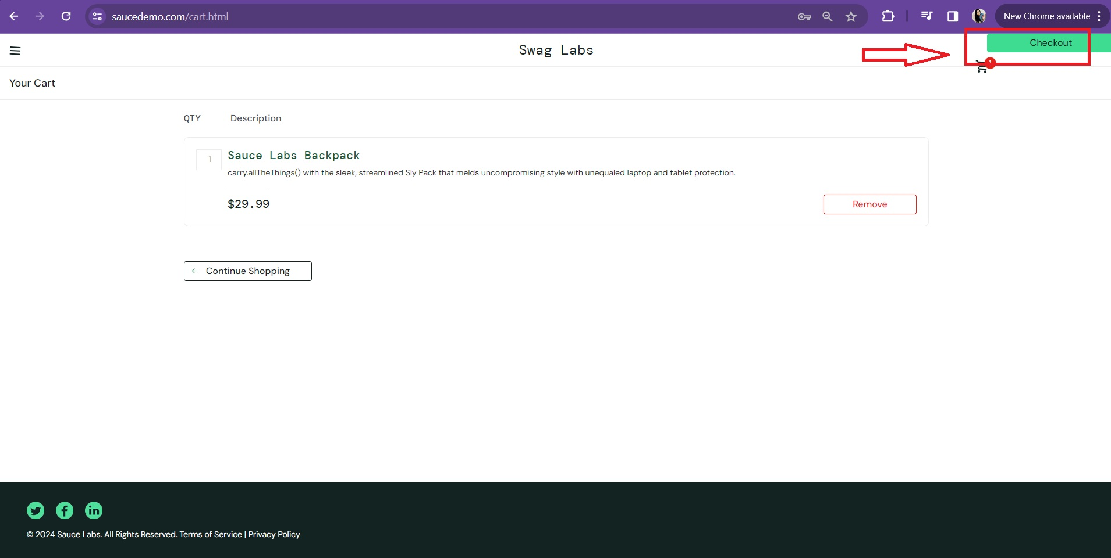
Open browser | The browser will open | The browser is open
Navigate to https://www.saucedemo.co | The web page will open | The web page is open
Log in with correct credentials - username: visual_user, and password: secret_sauce | Fields "Username" and "Password are filled | The correct username and password are visible
Click on "Login" button | The "Swag Labs" page will open | The "Swag Labs" page is open
Add first item to the cart by clicking "Add to cart" | "Add to cart" button will become "Remove" button, item will be added to cart | "Remove" button apears, item is added to cart
Click on cart icon on upper right corner of the page | Cart page will open | Cart page is open
"Checkout" button is visible | "Checkout" button is aligned with "Continue Shopping" button, and it is on right side | "Checkout" button is on upper right corner of the page

